Chart
IMAGE | QTY / PCS | CASE PACK | PRODUCT DESCRIPTION | UPC
 | 35,928 | 72 | Sinful Nail Polish- Wonder Mint | 733854998826
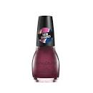 | 8,136 | 72 | Sinful Nail Polish- Raisin The Roof | 309970037949
 | 34,188 | 72 | Sinful Nail Polish- Spring Fling | 309970037956
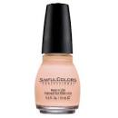 | 34,272 | 72 | Sinful Nail Polish- Easy Going | 99500000009
 | 20,952 | 72 | Sinful Nail Polish- Feel The Vibe | 733854979306
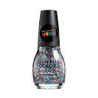 | 26,388 | 72 | Sinful Nail Polish- Pride | 733854992657
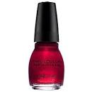 | 40,641 | 72 | Sinful Nail Polish- Ruby Ruby | 99500000696
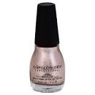 | 51,282 | 72 | Sinful Nail Polish- Metalic Supernova | 733854978385
 | 251,787

